KSP (Chicken)
DATE | INV NO. | DESCRIPTIONS | QTY | BILLS | PRICE | SUB TOTAL | TOTAL
2026-01-06 | B00026/PRN-R/2026 | BONELESS BREAST TK SP | 5.3 | 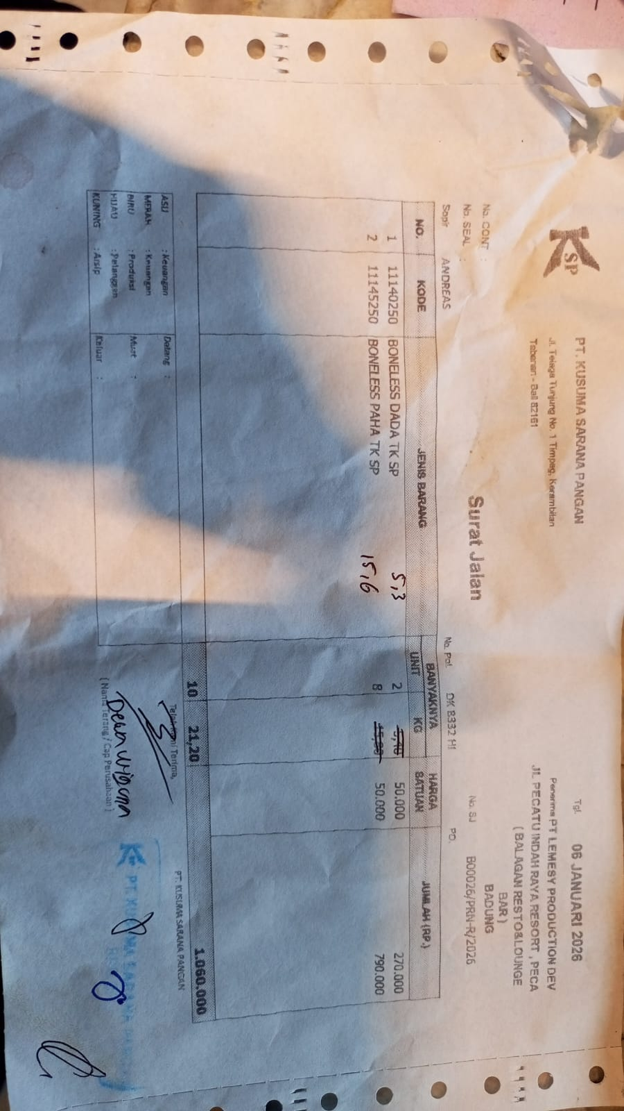 | IDR 50,000 | IDR 265,000 | IDR 1,045,000
 |  | BONELESS LEG TK SP | 15.6 |  | IDR 50,000 | IDR 780,000
2026-01-13 | B00114/PRN-R/2026 | BONELESS BREAST TK SP | 5.4 | 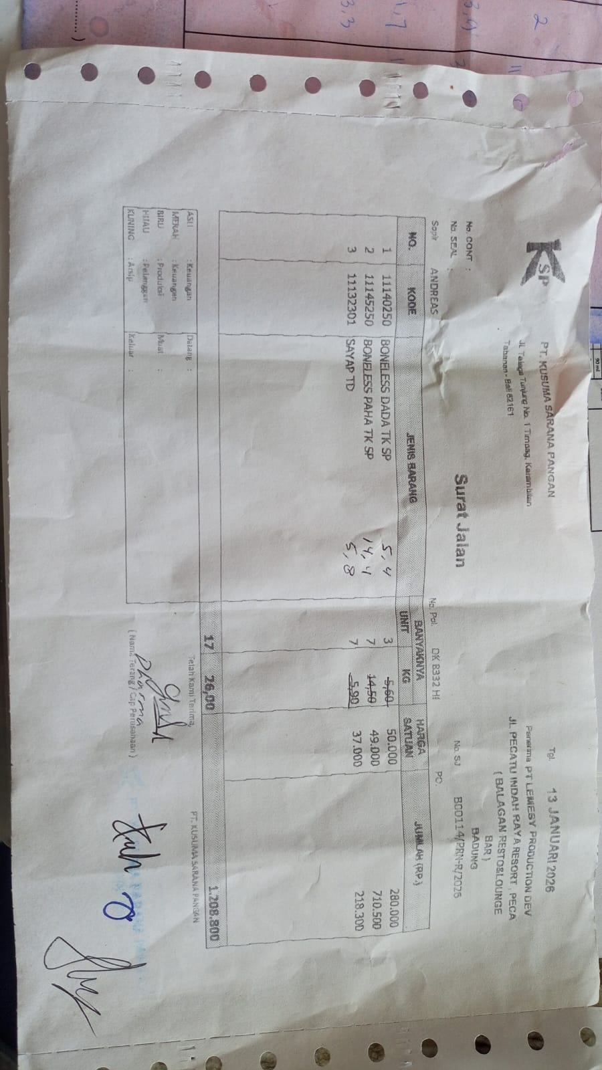 | IDR 50,000 | IDR 270,000 | IDR 920,200
 |  | BONELESS LEG TK SP | 14.4 |  | IDR 49,000 | IDR 705,600
 |  | WINGS TD | 5.8 |  | Rp37,000 | IDR 214,600
2026-01-20 | B00183/PRN-R/2026 | BONELESS BREAST TK SP | 5.1 | 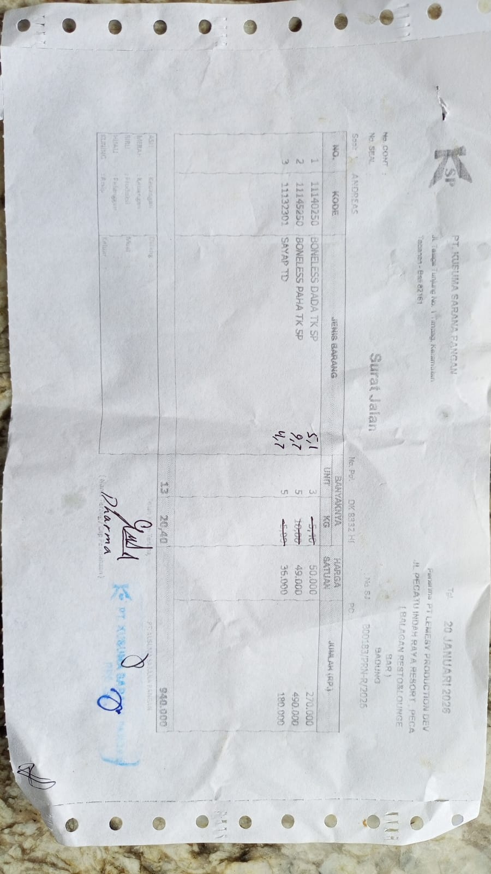 | Rp50,000 | IDR 255,000 | Rp894,800
 |  | BONELESS LEG TK SP | 9.7 |  | Rp49,000 | IDR 475,300
 |  | WINGS TD | 4.7 |  | Rp35,000 | Rp164,500
2026-01-23 | BO0224/PRN-R/2026 | BONELESS BREAST TK SP | 5.4 | 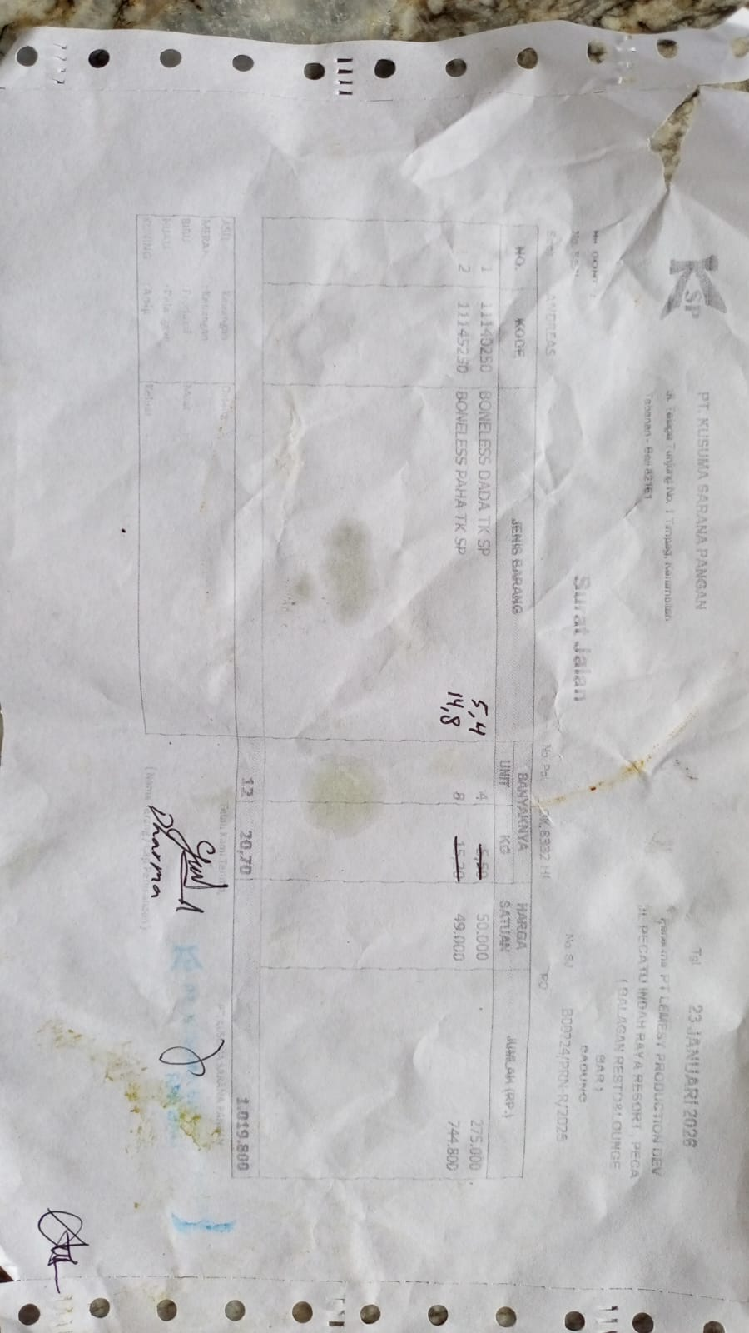 | Rp50,000 | Rp270,000 | Rp995,200
 |  | BONELESS LEG TK SP | 14.8 |  | Rp49,000 | Rp725,200
2026-01-30 | BO0313/PRN-N/2026 | BONELESS BREAST TK SP | 5 | 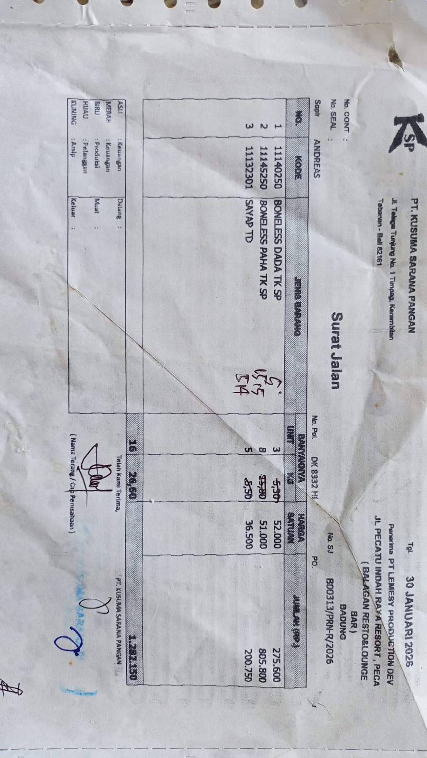 | Rp52,000 | Rp260,000 | Rp1,247,600
 |  | BONELESS LEG TK SP | 15.5 |  | Rp51,000 | Rp790,500
 |  | WINGS TD | 5.4 |  | Rp36,500 | Rp197,100
 |  |  |  |  |  | Rp-
 |  |  |  |  |  | Rp-
 |  |  |  |  |  | Rp-
 |  |  |  |  |  | Rp-
 |  |  |  |  |  |  | Rp5,102,800

